Sheet1
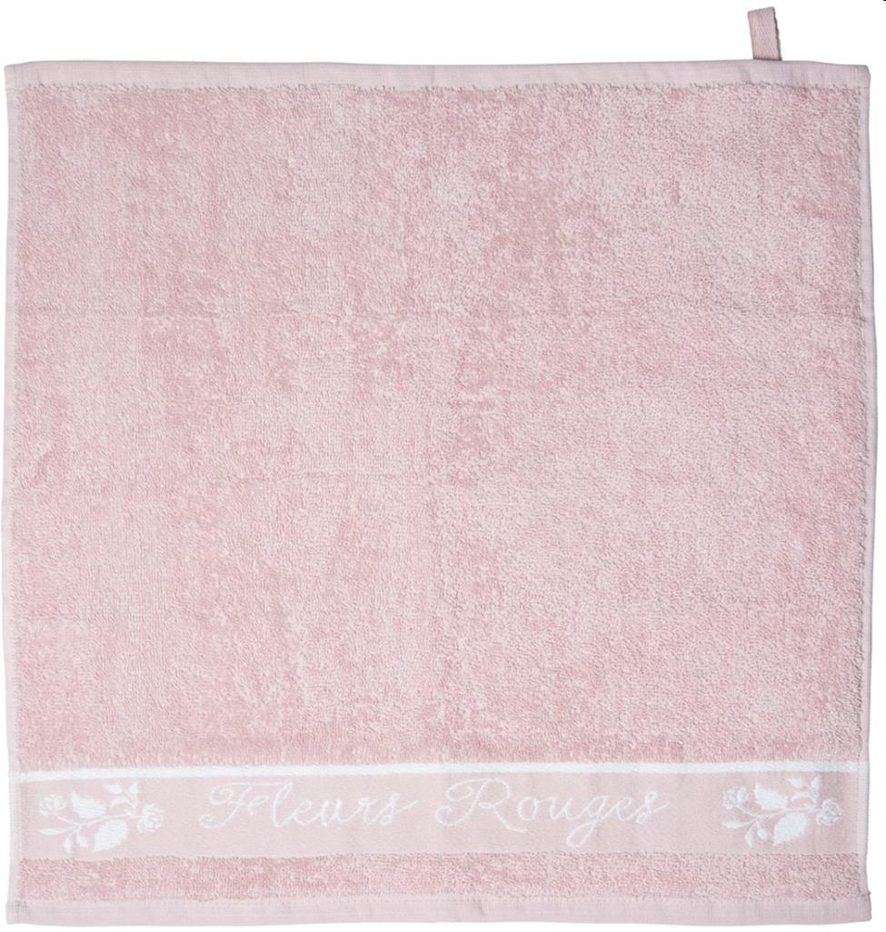
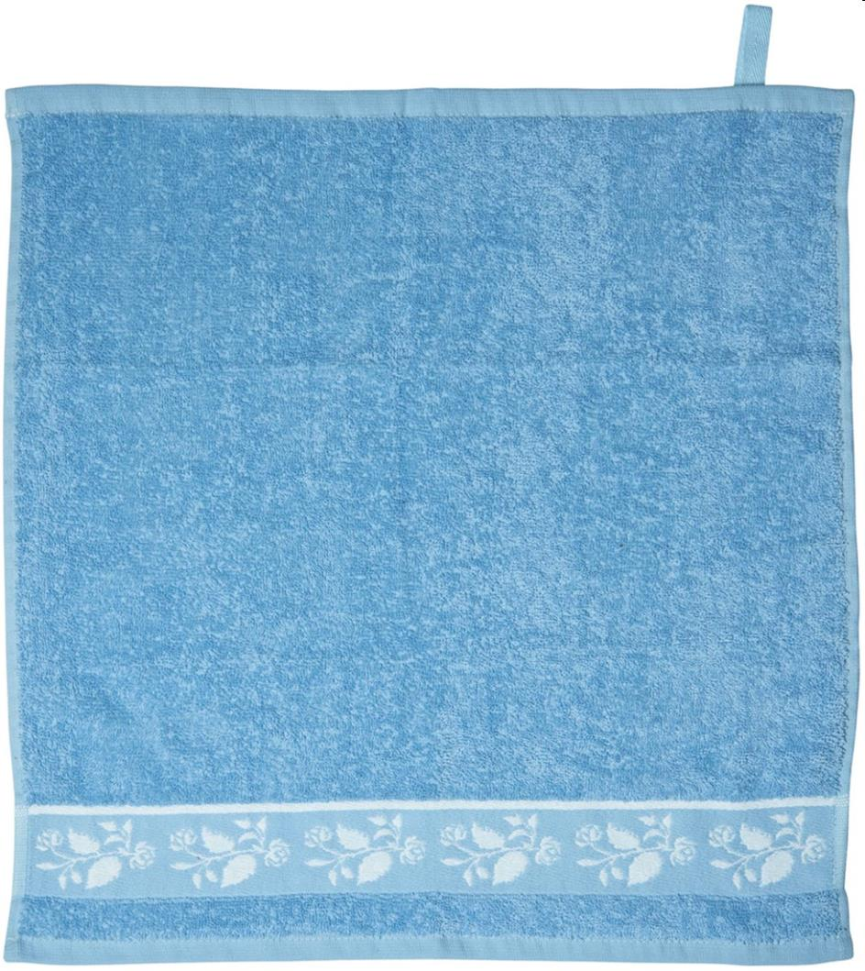
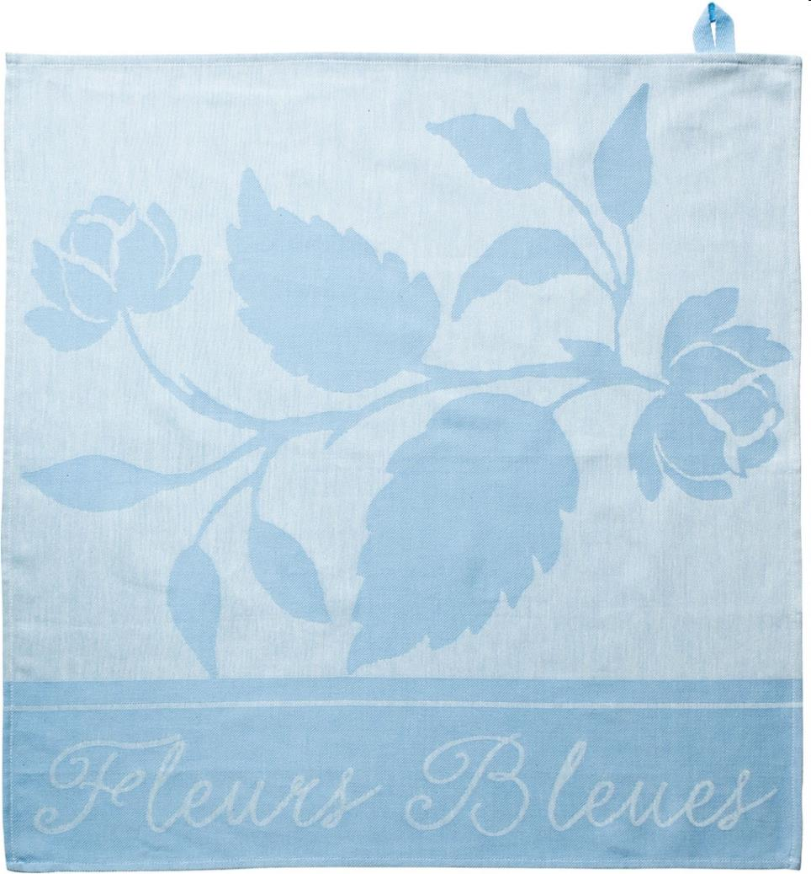
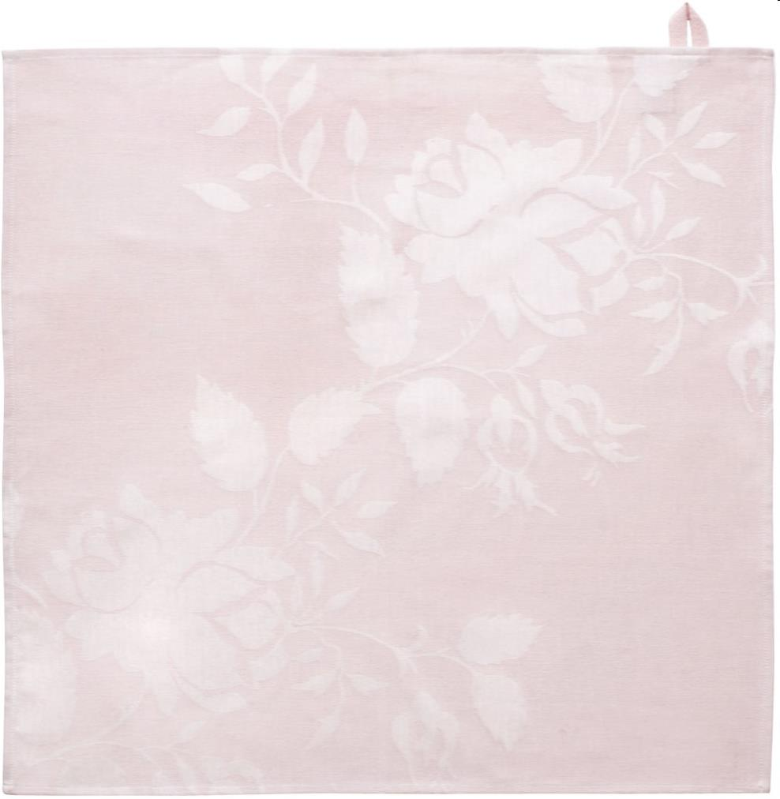
Picture | Item code | Description | Extra information | Restriction | Stock | Sales price EXW | Retail price | Barcode | Quantity PU | Quantity pallet | Pallet | Origin | Customs code | Item weight | Languages on package | Group
 | 21787 | Royal Boch, Kitchen Towel 50x50cm Pink | 180414 |  | 2723 | 1.29 | 7.99 | 8717823804143 | 72 | 1728 | Europallet 120x80 | PK | 6302600090 | 100 |  | Royal Boch
 | 21786 | Royal Boch, Kitchen Towel 50x50cm Blue | 180412 |  | 2130 | 1.29 | 7.99 | 8717823804129 | 72 | 1728 | Europallet 120x80 | PK | 6302600090 | 200 |  | Royal Boch
 | 21788 | Royal Boch, Dish Towel 60x60cm Blue | 180411 |  | 1365 | 1.29 | 9.99 | 8717823804112 | 200 | 3200 | Europallet 120x80 | PK | 6302910090 | 570 |  | Royal Boch
 | 21789 | Royal Boch, Dish Towel 60x60cm Pink | 180413 |  | 984 | 1.29 | 9.99 | 8717823804136 | 200 | 3200 | Europallet 120x80 | PK | 6302910090 | 100 |  | Royal Boch

